DESIGN 1
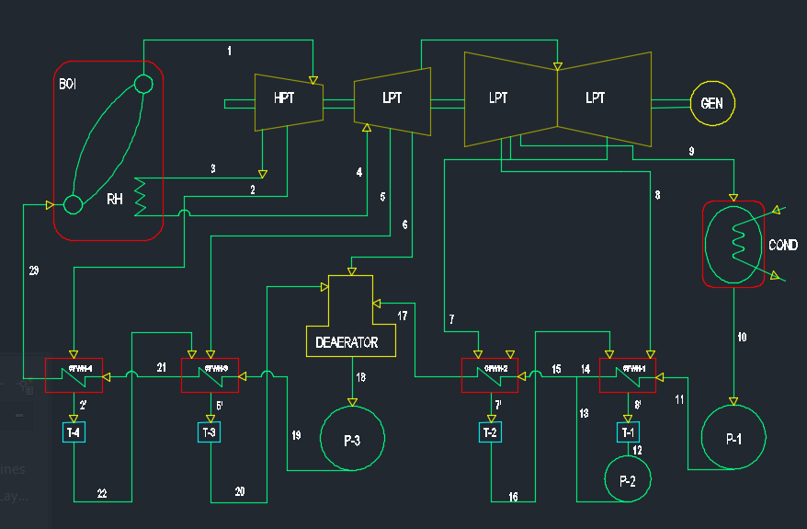
 |  |  |  |  |  |  |  |  | Assuming 500 MW |  |  |  | Turbine eff
 |  | S.P | P (Mpa) | T © | H (Kj/Kg) | V (m3/kg) | S (kJ/kgK) | m (kg) | ms (kg/s) |  |  |  | 0.49 |  |  |  |  | SCRATCH SECTION
 | BOILER | 1 | 20 | 540 | 3363.5 | - | 6.2982 | 1 | 664.92212542 |  |  |  | Pactual (Mpa) | Tactual (oC) | hactual (Kj/kg)
interpolate using P and S | CFWH4 | 2 | 11.4 | 441.0918114 | 3192.366253 | - | 6.2982 | 0.077265392979 | 51.375469321 | SHV | P2a=P2-P2(0.07) | P2a | 10.602 | 315.3939 | 3279.644464
interpolate using P and S | RH | 3 | 10.2 | 422.9156628 | 3160.955422 | - | 6.2982 | 0.92273460702 | 613.5466561 | SHV
interpolate using P and S |  | 4 | 10.2 | 540 | 3473.7 | - | 6.7142 | 0.92273460702 | 613.5466561 | SHV |  |  |  |  |  |  |  |  | 1 |  | 1
interpolate using P and S | CFWH3 | 5 | 8 | 496.9753088 | 3390.768519 | - | 6.7142 | 0.031707734012 | 21.083173892 | SHV | P5a=P5-P5(0.07) | P5a | 7.44 | 290.038 | 3433.0635743 |  |  |  | 2 |  | x
interpolate using P and S | DEAE | 6 | 5.8 | 442.9585798 | 3287.589349 | - | 6.7142 | 0.037051051677 | 24.63606403 | SHV | P6a=P6-P6(0.07) | P6a | 5.394 | 268.7692 | 3361.7812039 |  |  |  | 3 |  | 3
interpolate using P and S | CFWH2 | 7 | 4.2 | 392.094972 | 3191.106983 | - | 6.7142 | 0.037756433111 | 25.105087753 | SHV | P7a=P7-P7(0.07) | P7a | 3.906 | 249 | 3278.1508357
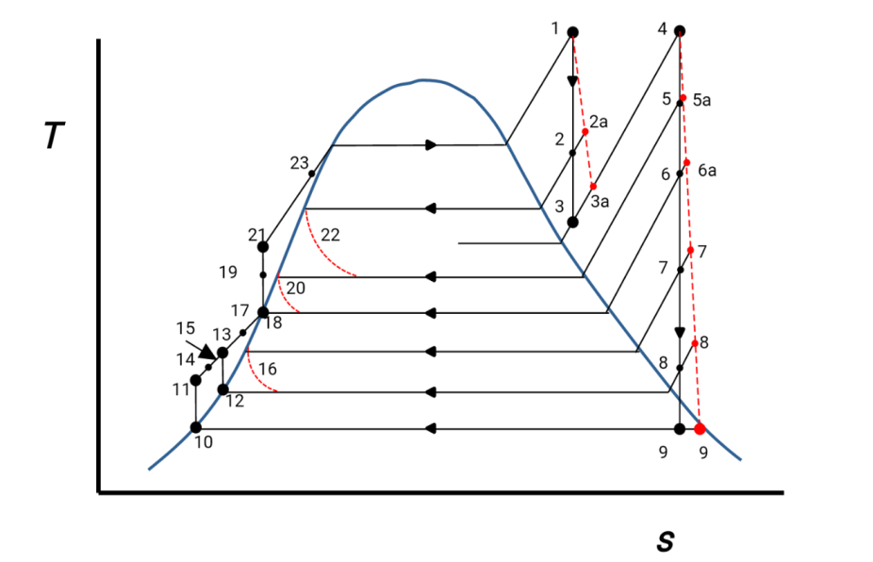
interpolate using P and S | CFWH1 | 8 | 2.8 | 332.8020564 | 3079.312853 | - | 6.7142 | 0.22053249337 | 146.63693421 | SHV | P8a=P8-P8(0.07) | P8a | 2.604 | 226.1716 | 3180.7202242 |  |  |  | x=
s9=sf+xsfg , h9=hf+xhfg | COND | 9 | 0.0055 | 34.58 | 2057.614623 | - | 6.7142 | 0.59568689485 | 396.08539621 | SHV | P9a=P9-P9(0.07) | P9a | 0.005115 | 32.974 | 2630.3984796
hf=h10 |  | 10 | 0.0055 | 34.58 | 144.95 | 1.0058 | - | 0.59568689485 | 396.08539621
P at 2.8 Mpa |  | 11 | h10+Vf10(P11-P10) | 34.6686 | 147.7607081 |  |  | 0.59568689485 | 396.08539621 |  | Tactual = Tsat @ Pactual
 | Table 2 | 12 | hf @ P8a | 226.1694 | 972.2296 |  |  | 0.25828892648 | 171.74202197 |  | hactual = hinlet - nturbine (hinlet - houlet)
 | Table 2 | 13 | h14 | 226.1716 | 972.239656 |  |  | 0.25828892648 | 171.74202197
 | Table 1 | 14 | hf @ T14 | 226.1716 | 972.239656 |  |  | 0.59568689485 | 396.08539621 |  | TTD=2.3 |  | T14=T8a-TTD | 223.8716
 | Table 2 | 15 | h14 | 226.1716 | 972.239656 |  |  | 0.85397582133 | 567.82741818
 | Table 2 | 16 | hf @ P7a | 249 | 1080.4856 |  |  | 0.037756433111 | 25.105087753
 | Table 1 | 17 | hf @ T17 | 246.7 | 1069.404 |  |  | 0.85397582133 | 567.82741818 |  |  |  | T17=T7a-TTD | 246.7
 | Table 2 | 18 | hf @ P6a | 268.7692 | 1178.2976 | 1.335275 |  | 1 | 664.92212542
P at 20 Mpa, Vf18 at 1.335275 | Table 2 | 19 | h18+Vf18(P19-P18) | 273.192 | 1197.8006267 |  |  | 1 | 664.92212542
 | Table 2 | 20 | hf @ P5a | 290.038 | 1289.262 |  |  | 0.10897312699 | 72.458643213
 | Table 1 | 21 | hf @ T21 | 287.738 | 1276.9083 |  |  | 1 | 664.92212542 |  |  |  | T21=T5a-TTD | 287.738
 | Table 2 | 22 | hf @ P2a | 315.3939 | 1433.3444 |  |  | 0.077265392979 | 51.375469321
 | Table 1 | 23 | hf @ T23 | 313.0939 | 1419.5634 |  |  | 1 | 664.92212542 |  |  |  | T23=T2a-TTD | 313.0939

 |  | SET VALUES |  |  |  |  |  |  |  |  |  |  |  |  |  |  |  | p5 | 10 | 33.1887366 | @ | p6 | 7
 |  | GIVEN CASE 1 |  |  | at Pt. 9 |  |  |  |  |  |  |  |  |  |  |  |  | p5 | 8 | 33.20480616 | @ | p6 | 7
 |  | FORMULA |  |  | x | 0.7904879414
 |  | MANIPULATED |  |  |  |  |  |  |  |  |  |  |  |  |  | EFFICIENCY
 |  |  |  |  |  |  |  |  |  |  |  |  |  |  |  |  |  | p5 | 8 | 33.32132125 | @ | p6 | 5.8
 |  | MASS BALANCE |  |  |  |  |  |  |  |  |  |  |  |  |  |  |  | p5 | 8 | 33.30418352 | @ | p6 | 6
 |  |  |  |  |  |  |  |  |  |  |  |  |  |  |  | 33.682512172
 |  | FOR BOILER
 |  | m1 (kg) | 1 |  | mblow = nblow(mwater) | 0.012
 |  | nblowdown | 0.6 |  | mloss = nloss(mwater) | 0.008 |  |  |  |  |  |  |  |  |  |  |  | p5 | 8 |  |  | p6 | 5.8 | p7 | 4.2
 |  | nloss | 0.4 |  | m23 = mb + m1 + ml | 1.02 |  |  |  |  |  |  |  |  |  |  |  | p5 | 8 | 33.70049253 |  | p6 | 5.8 | p7 | 4.4
 |  | mwater (kg) | 0.02

 |  | FOR CFWH 4 |  |  | FOR DEAERATOR |  |  |  |  | FOR CHWH 2 |  |  |  | FOR COND
 |  | m2h2a+m21h21=m22h22+m23h23 |  |  | m6h6+m17h17+m20h20=m18h18 |  |  |  |  | m7h7a+m15h15=m16h16+m17h17 |  |  |  | m9=m10=m11
 |  | m23, m21 | 1 | kg | m18=m20+m6+m17 |  |  |  |  | m15=m17 |  |  |  | m9, m10 | 0.59568689485
 |  | m2=m22 |  |  | m17=m23-m2-m5-m6 | 0.89102687301 | minus m6 |  |  | m16=m7
 |  | m2, m22 | 0.077265392979 | kg | m6 | 0.037051051677 |  |  |  | m15 | 0.85397582133 |  |  |  |  |  |  |  | H | Pactual | Tacrual | hactual
 |  | FOE CFWH 3 |  |  | m17 | 0.85397582133 |  |  |  | m16, m7 | 0.037756433111 |  |  |  |  |  |  | 10
 |  | m22h22+m5h5a+m19h19=m21h21+m20h20 |  |  | m18 | 1 |  |  |  | FOR CHWH 1
 |  | m20=m22+m5 |  |  |  |  |  |  |  | m16h16+m8h8a+m11h11=m12h12+m14h14
 |  | m19, m21 | 1 | kg |  |  |  |  |  | m12=m16+m8
 |  | m5 | 0.031707734012 | kg |  |  |  |  |  | m11=m14
 |  | m20 | 0.10897312699 | kg |  |  |  |  |  | m11, m14 = m23-m2-m5-m6-m7-m8
 |  |  |  |  |  |  |  |  |  | m11, m14 | 0.81621938822 | minus m8
 |  |  |  |  |  |  |  |  |  | m8 | 0.22053249337
 |  |  |  |  |  |  |  |  |  | m12 | 0.25828892648
 |  |  |  |  |  |  |  |  |  | m11 | 0.59568689485

 |  | WORK TURBINE

 |  | WT | m23(h1-h2a)+(m23-m2)(h2a-h3)+(m23-m2)(h4-h5a)+(m23-m2-mr5)(h5a-h6a)+(m23-m2-m5-m6)(h6a-h7a)+(m23-m2-m5-m6-m7)(h7a-h8a)+(m23-m2-m5-m6-m7-m8)(h8a-h9a)

 |  | WT | 773.14768414 |  |  |  |  |  |  |  |  |  |  |  |  |  | KJ/Kg

 |  |  |  |  |  |  |  |  |  |  |  |  |  |  | SUMMARY
 |  | WORK PUMP |  |  |  |  |  |  |  |  |  |  |  |  | FOR TRUBINE WORK
 |  |  |  |  |  |  |  |  |  |  |  |  |  |  | m1 | 1
 |  |  |  |  |  |  |  |  |  |  |  |  |  |  | m23 | 1
 |  | P1 | h11-h10 | 2.8107081 |  |  |  |  |  |  |  |  |  |  | m2 | 0.077265392979
 |  | P2 | h13-h12 | 0.010056 |  |  |  |  |  |  |  |  |  |  | m5 | 0.031707734012
 |  | P3 | h19-h18 | 19.50302665 |  |  |  |  |  |  |  |  |  |  | m6 | 0.037051051677
 |  |  |  |  |  |  |  |  |  |  |  |  |  |  | m7 | 0.037756433111
 |  | HEAT ADDED |  |  |  |  | CYCLE EFFICIENCY |  |  |  |  |  |  |  | m8 | 0.22053249337
 |  | QA | (h1-h23)+(m1-m2)(h4-h3)
 |  | QA | 2232.5168453 |  |  |  | n |  |  | (QA-QR)/QA |  |  |  |  | h1 | 3363.5
 |  |  |  |  |  |  | n |  |  | 33.682512172 |  |  |  |  | h2a | 3279.644464
 |  | HEAT REJECTED |  |  |  |  |  |  |  |  |  |  |  |  | h3 | 3160.955422
 |  | QR | (m23-m2-m5-m6-m7-m8)(h9a-h10) |  |  |  | using turbine and pump |  |  |  |  |  |  |  | h4 | 3473.7
 |  | QR | 1480.5490871 |  |  |  | n |  |  | Wt-Wp / Qa |  |  |  |  | h5a | 3433.0635743
 |  |  |  |  |  |  |  |  |  | 33.631275615 |  |  |  |  | h6a | 3361.7812039
 |  | Wnet | 751.96775815 |  |  |  |  |  |  |  |  |  |  |  | h7a | 3278.1508357
 |  |  |  |  |  |  |  |  |  |  |  |  |  |  | h8a | 3180.7202242
 |  |  |  |  |  |  |  |  |  |  |  |  |  |  | h9a | 2630.3984796

